Table 2
µ
C
Arn-u1uin WecSt VelldOr 6YZ>l,(,p DB/1 ffZu, Hwr SignaWre Downey Unified School District Food Service Pre-made Pizza Products Bid "EXHIBIT A" Pizza, hand kneaded, fresh cooked, minimum 14" in diameter, 8 slices cut as specified to meet USDA meal pattern meat/meat alternate & grain requirements. Slices to be uniform and consistent in amounts of cheese, meats, vegetables, and tomato sauce. Pizza seasoning shall not contain monosodium glutamate (MSG). Crust must be whole grain and at least 50% whole grain by weight (16 grams/serving).
 | Bidder must submit a complete nutrient analysis, product formulation statements (showing that it meets at least 2 oz. meat/meat alternate and 2 oz. grain equivalents). Calories not to exceed 400, 35% calories from fat, 10% calories from saturated fat and be trans-fat free or less than 0.5 grams per serving unless trans-fat is naturally occurring.
Ordering Information: • Middle and High Schools: 1 to 2 daily deliveries between 10:00am-12:00pm (exact times TBD based on site schedules) • Elementary schools: delivery to one to two sites, once per week • Indicate if you have minimum order quantities. • Indicate order quantities required to receive price breaks if any.
 |  | Projected Usage by Month
 | Description | Elementary I | Middle | IHigh School | I TOTAL | 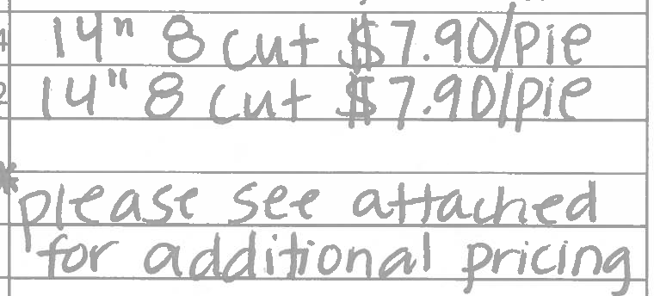 PROPOSED COST, FOB District
 | Cheese | 41 | 2301 | 6001 | 83
 | 1-Topping | 32 | I 2,0701 | 5,3501 | 7,45

